matl stock
Parameter data dan Format Data yang dibutuhkan
ITEMCODE | BC_ENTRIED | STOCK | LOCATION | MCN | TGL | AGE | STD_OVG | STS | AGE_PCTG | AGE_SHIFT | JDGE | PROBCODE | day
NB1081 | NB1081 3330003 | 114.395 | GC4 | RSC-BC1 | 3/17/23 | 3 | 3 |  | 100 | 9 |  |  | 20
NB1081 | NB1081 3330004 | 200 | NB7 | RSC-BC1 | 3/19/23 | 1 | 3 |  | 33.33333333 | 3 |  |  | 20
NB1081 | NB1081 3333003 | 74.03 | GD4 | RSC-BC1 | 3/16/23 | 4 | 3 | OVERAGE | 133.3333333 | 12 | OK | BWA | 20
NB1081 | NB1081 3333004 | 200 | NB4 | RSC-BC1 | 3/19/23 | 1 | 3 |  | 33.33333333 | 3 |  |  | 20
NB1233 | NB1233 3330023 | 200 | NB4 | RSC-BC1 | 3/19/23 | 1 | 3 |  | 33.33333333 | 3 |  |  | 20
NB1233 | NB1233 3330024 | 200 | GB2 | RSC-BC1 | 3/19/23 | 1 | 3 |  | 33.33333333 | 3 |  |  | 20
NB1233 | NB1233 3330025 | 61.54 | RTBB2 | RSC-BC1 | 3/19/23 | 1 | 3 |  | 33.33333333 | 3 |  |  | 20
NB1271 | NB1271 3330045 | 36.045 | RTBC3 | RSC-BC1 | 3/18/23 | 2 | 3 |  | 66.66666667 | 6 |  |  | 20

Sumber data yang ada (existing)
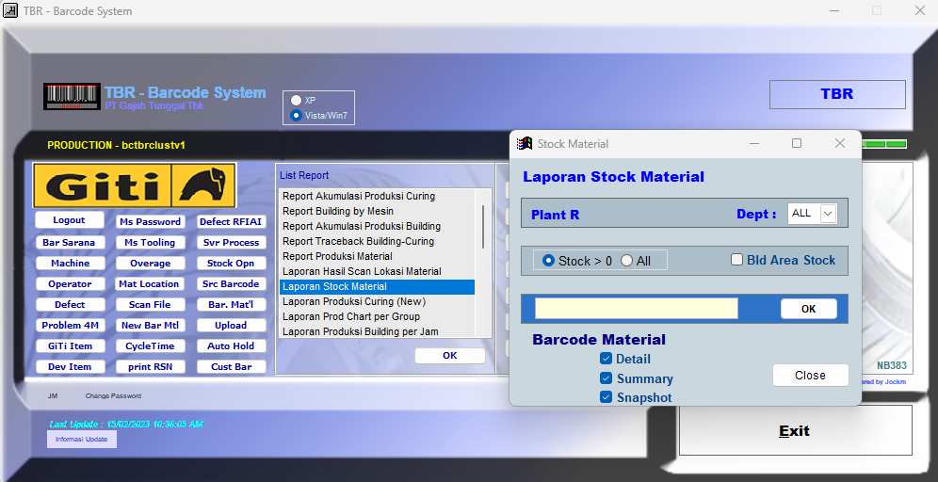

Mekanisme / Rules Data
Download / akses data sesuai dengan kondisi realtime sata penarikan dan tidak menggunakan range data / tanggal
Contoh : Jika terjadi request data dari web TBR ke API maka API akan mengirimkan / memberikan data stock material
secara realtime ke applikasi WEB TBR sesuai dengan format diatas

